Registration
Test_Scenario_ID | Test Scenario Descripation | Test Case ID | Test case Descripation | Pre Condition | Test Steps | Test Data | Expected Outcome | Actual Outcome | Status | ScreenShot/ Video
TS_0001 | Validate the working functionality of Register Account functionality | TC_001 | To verify that a user can register with valid details. | 1.Open the Browser 2. Enter the Url - https://www.demoblaze.com | 1. Good Internet 2. Open Browser 3. Put on Url 4. Click on Signup | Username - Puja Kumari Password - !1234Puja | Users should successfully signup get a message alert on text | Users get successfully signup get a message alert on text | Pass
 |  | TC_002 | To verify that sign up with Number in place of a valid name and password. | 1.Open the Browser 2. Enter the Url - https://www.demoblaze.com | 1. Good Internet 2. Open Browser 3. Put on Url 4. Click on Signup | Username - 1111111 Password - !1234Puja | The system should validate the name and password fields to ensure they contain only valid characters and reject sign-ups with Number | User is able to sign up with Number in the name and password fields without any validation error. | Fail
 |  | TC_003 | To verify that signed up with special characters in place of a valid name and password. | 1.Open the Browser 2. Enter the Url - https://www.demoblaze.com | 1. Good Internet 2. Open Browser 3. Put on Url 4. Click on Signup | Username - @##### Password - !@#$ | The system should validate the name and password fields to ensure they contain only valid characters and reject sign-ups with special characters. | User is able to sign up with Number in the name and password fields without any validation error. | Fail
 |  | TC_004 | Verify registration with an empty username field | 1.Open the Browser 2. Enter the Url - https://www.demoblaze.com | 1. Good Internet 2. Open Browser 3. Put on Url 4. Click on Signup | NA | An error message should appear indicating that the username is required. | Users who try to signup with empty field get message "Please fill out Username and Password." | Pass
 |  | TC_005 | Verify registration with an empty password field | 1.Open the Browser 2. Enter the Url - https://www.demoblaze.com | 1. Good Internet 2. Open Browser 3. Put on Url 4. Click on Signup 5. password field is empty | Username - Neha Sharma Password - | An error message should appear indicating that the password is required. . | An error message should appear indicating that the password is required. . | Pass
 |  | TC_006 | Verify registration with password containing spaces | 1.Open the Browser 2. Enter the Url - https://www.demoblaze.com | 1. Good Internet 2. Open Browser 3. Put on Url 4. Click on Signup 5. Enter a password with space | Username - Neha Sharma Password - ! 2 3 p u | An error message should appear indicating that passwords cannot contain spaces or other invalid characters. | Users should be successfully get login. | Fail
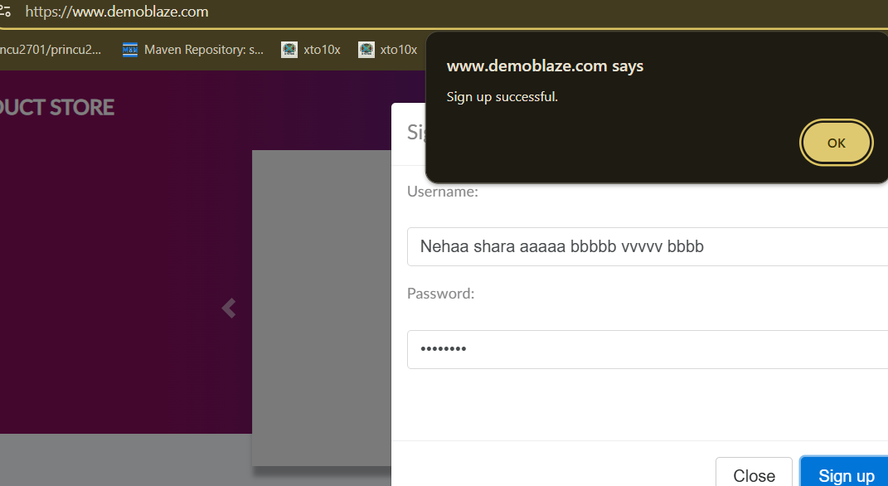
 |  | TC_007 | Verify registration with a username exceeding the character limit | 1.Open the Browser 2. Enter the Url - https://www.demoblaze.com | 1. Good Internet 2. Open Browser 3. Put on Url 4. Click on Signup 5. Enter a username that exceeds the maximum character limit (e.g., more than 30 characters). | Username - Nehaa Shara aaaaa bbbbb vvvv Password - 1234neha | The system should show an error message indicating that the username is too long. | Users should be successfully get login. | Fail
 |  | TC_008 | Verify registration with a weak password | 1.Open the Browser 2. Enter the Url - https://www.demoblaze.com | 1. Good Internet 2. Open Browser 3. Put on Url 4. Click on the "Sign up" button. 5. Enter a valid username. 6. Enter a weak password . 7. Click the "Sign up" button. | Username - Priyaa Password - 1234 | Users should be successfully get login not get suggestion. | Users should be successfully get login. | Pass
 |  | TC_009 | Verify registration behavior after reaching the maximum number of signups | 1.Open the Browser 2. Enter the Url - https://www.demoblaze.com | 1. Good Internet 2. Open Browser 3. Put on Url 4. Click on the "Sign up" button. 5. Enter a valid username. 6. Complete the signup process and note the successful registration. 7. Repeat steps 1-3 a total of 10 times (signing up with different usernames each time). 8. After 10 successful signups, attempt to register with a new username. | NA | The system may simply prevent the registration form from accepting new usernames after a certain number of signups. | The system may simply prevent the registration form from accepting new usernames after a certain number of signups. | Fail
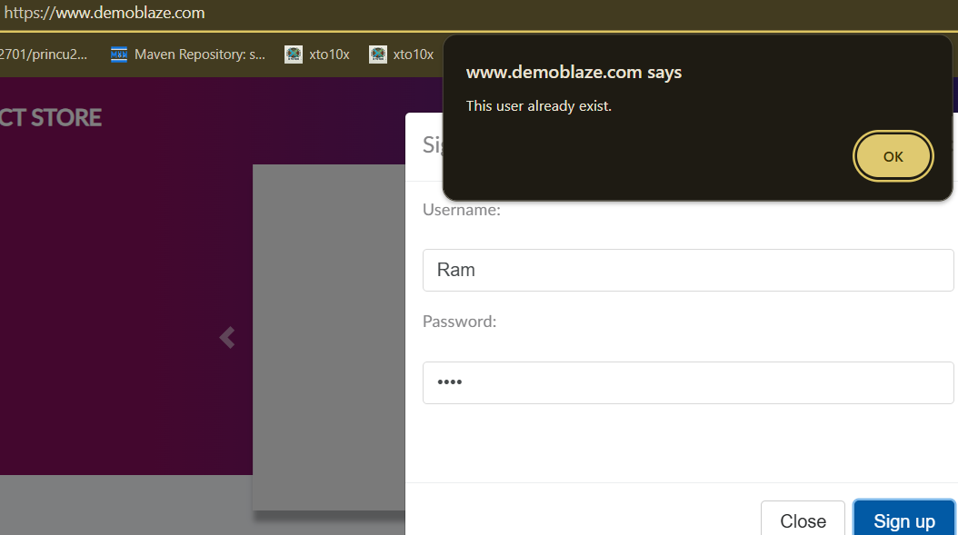
 |  | TC_0010 | Verify registation with already sign password but new username | 1.Open the Browser 2. Enter the Url - https://www.demoblaze.com | 1. Good Internet 2. Open Browser 3. Put on Url 4. Click on the "Sign up" button. 5. Enter a valid username. 6. Enter a used password . 7. Click the "Sign up" button. | UserName- Ram Password - 1234 | The user get signup not show error. | The user get signup show error text message . | Fail

